Test Cases - Funtional
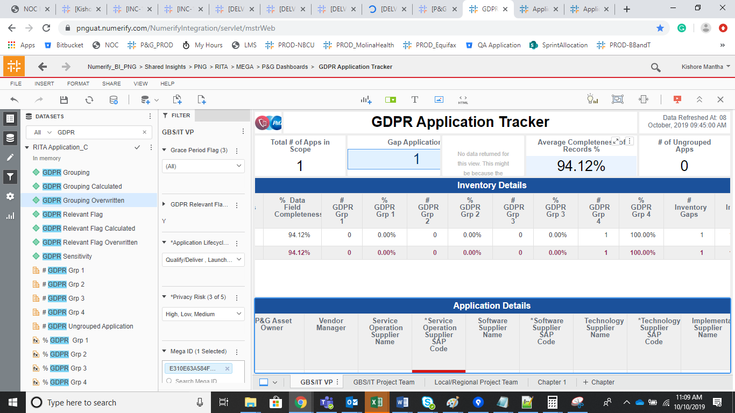
INDEX

TC_No | Test Case | Test Description | Expected Result | Actual Result | Result | Defect JIRA # | Comments
1 | DELV-19744 | P&G: GDPR- Bugs and CR's 82, 83, 88, 94, 95, 97, 99

Defect 82

Re-extracted the CMN_Location and the respective vendors are populating now

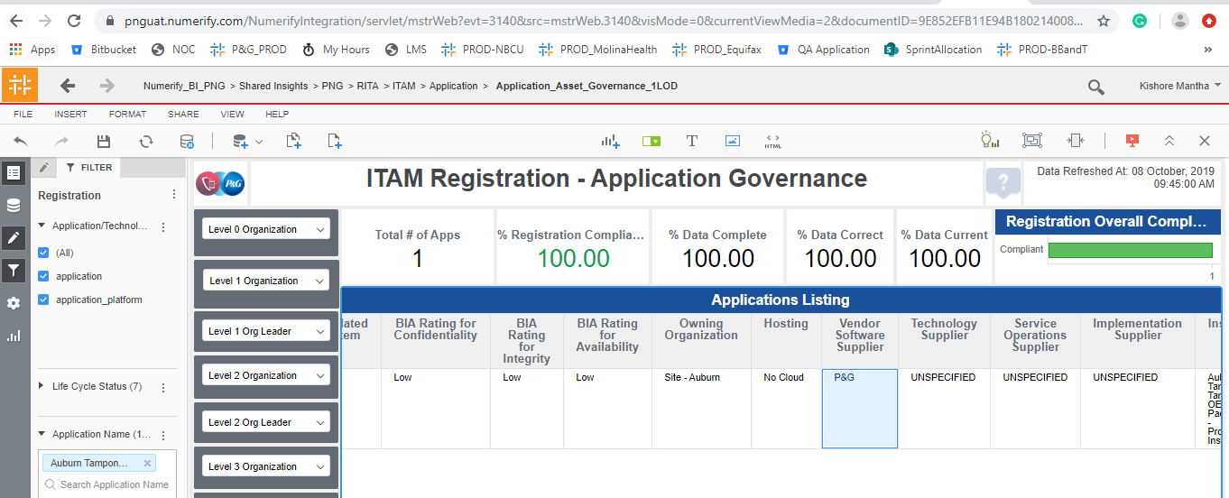

Defect 83

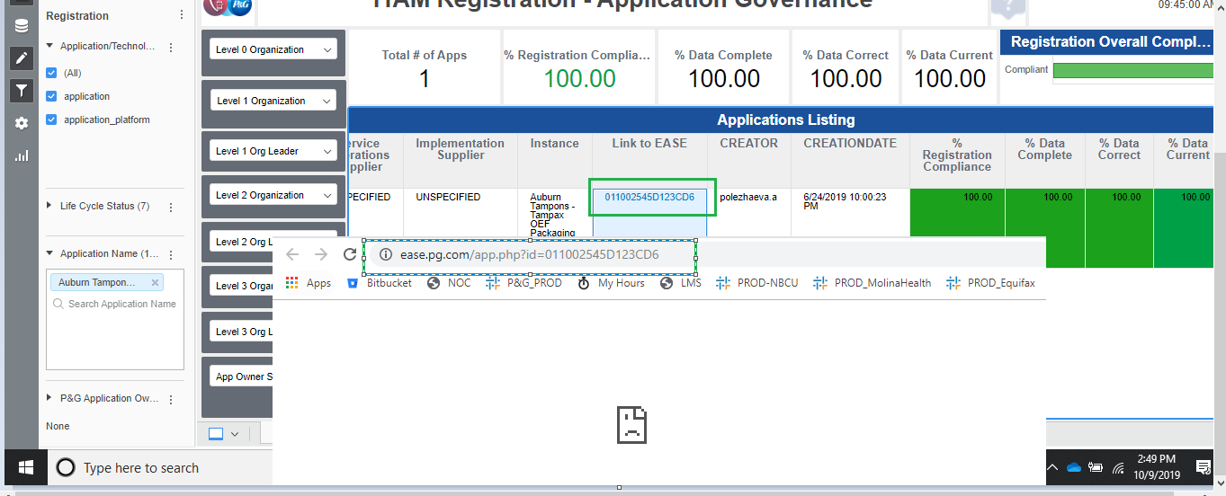

Defect 88 | Re-Extracted the Core Company

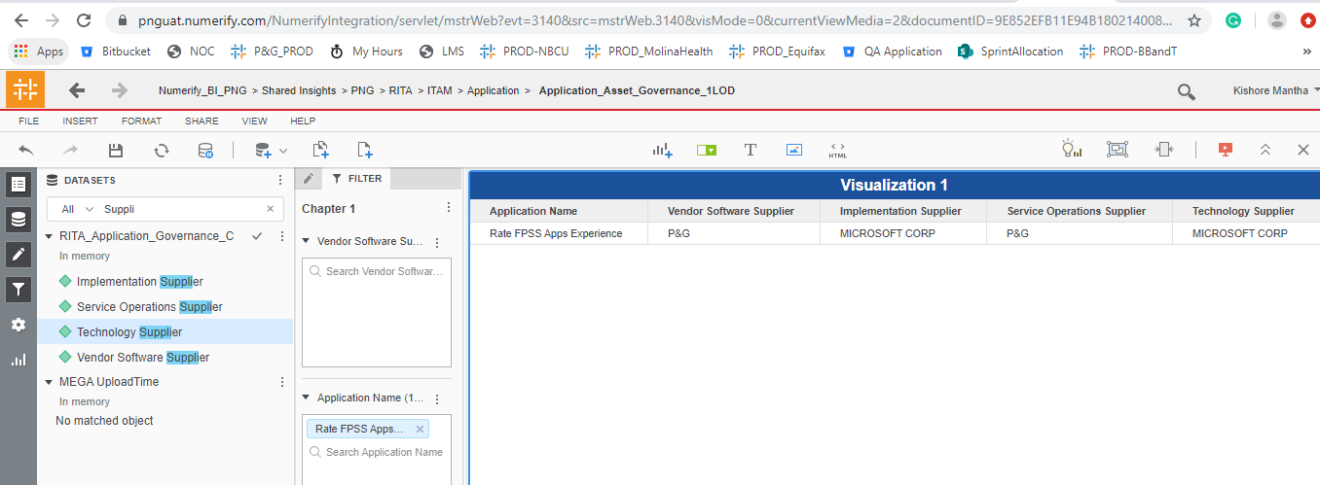

Defect 94 |  | Not an issues.
 |  | RITA Cubes has filters

Defect 95 | Main page is displaying the data where as the Infosec and privacy Excluded Apps. Fixed and working fine

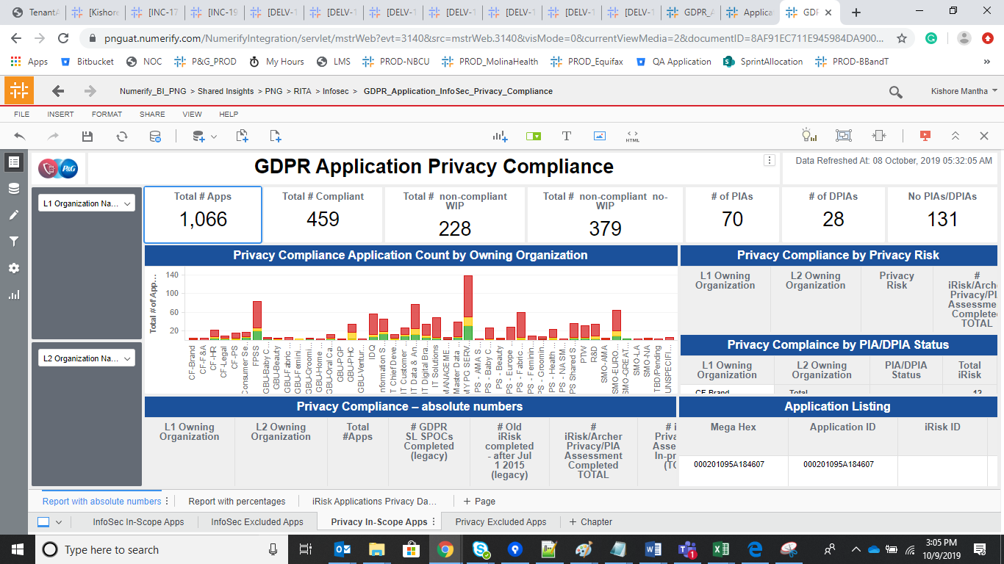
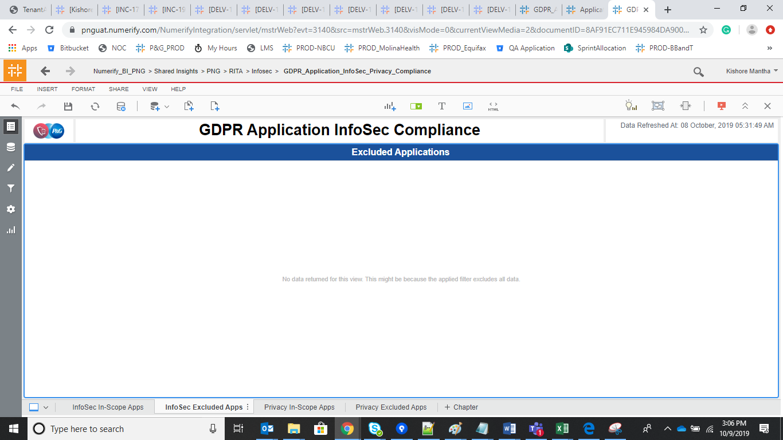

Defect 97 | Fixed and working fine

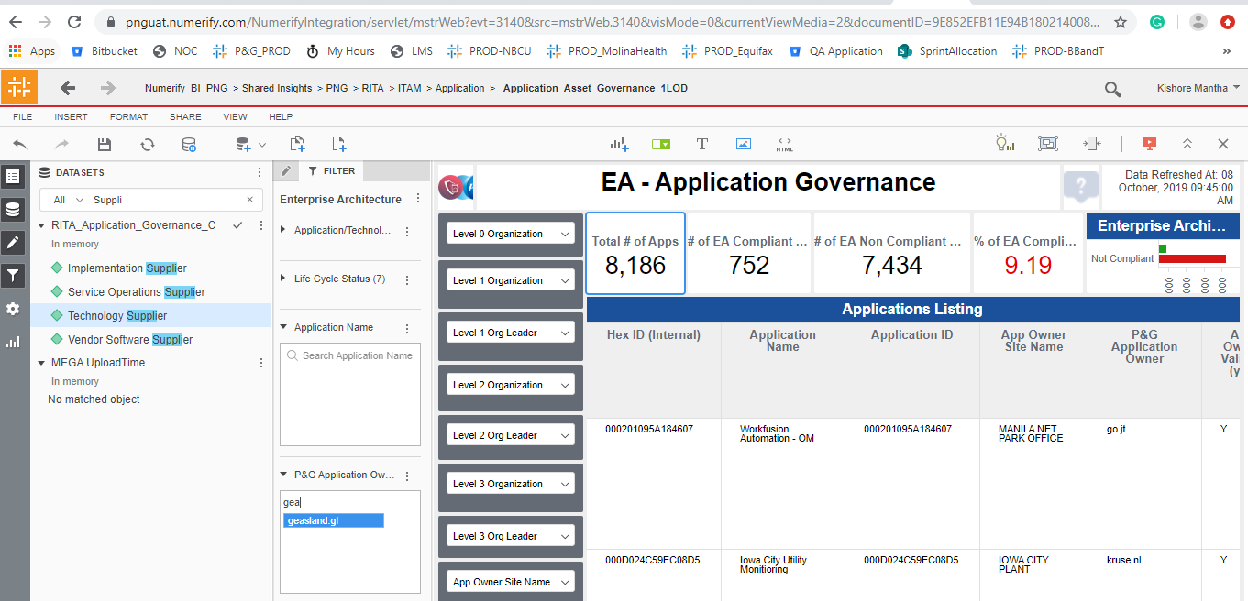

Defect 99 |  | 034409B155F9BF44
 | Working fine as per the Servicnow

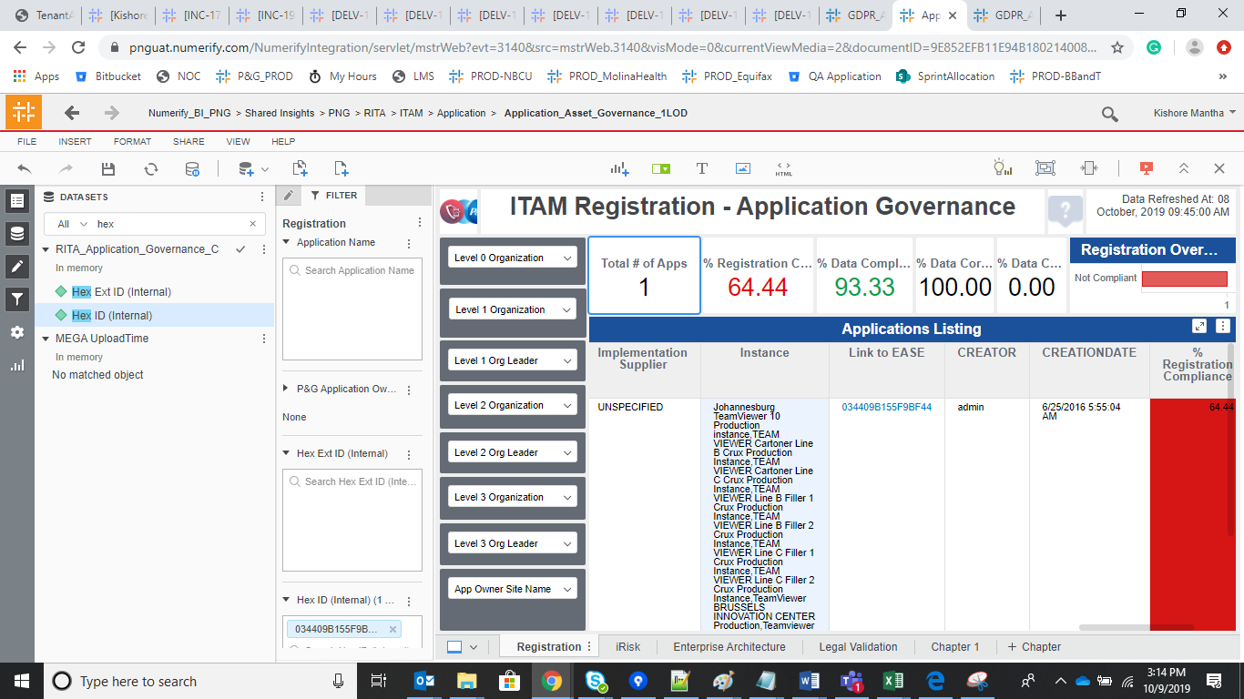

Issues
Data Field completeness metric is not working fine

B964BEC85A616007 and E310E63A584F4234
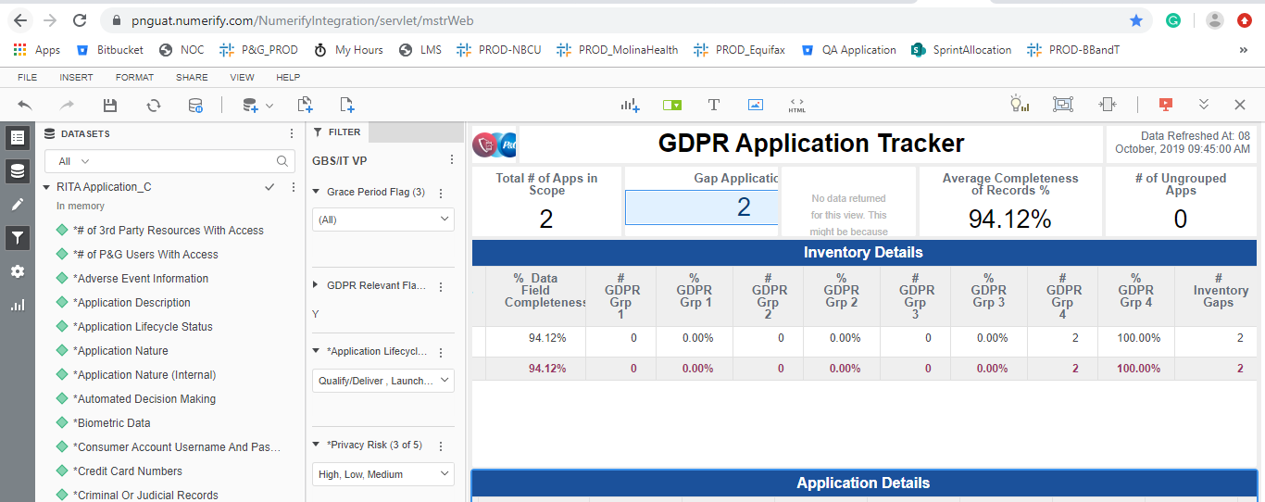

Fixed in UAT instance

